Cover
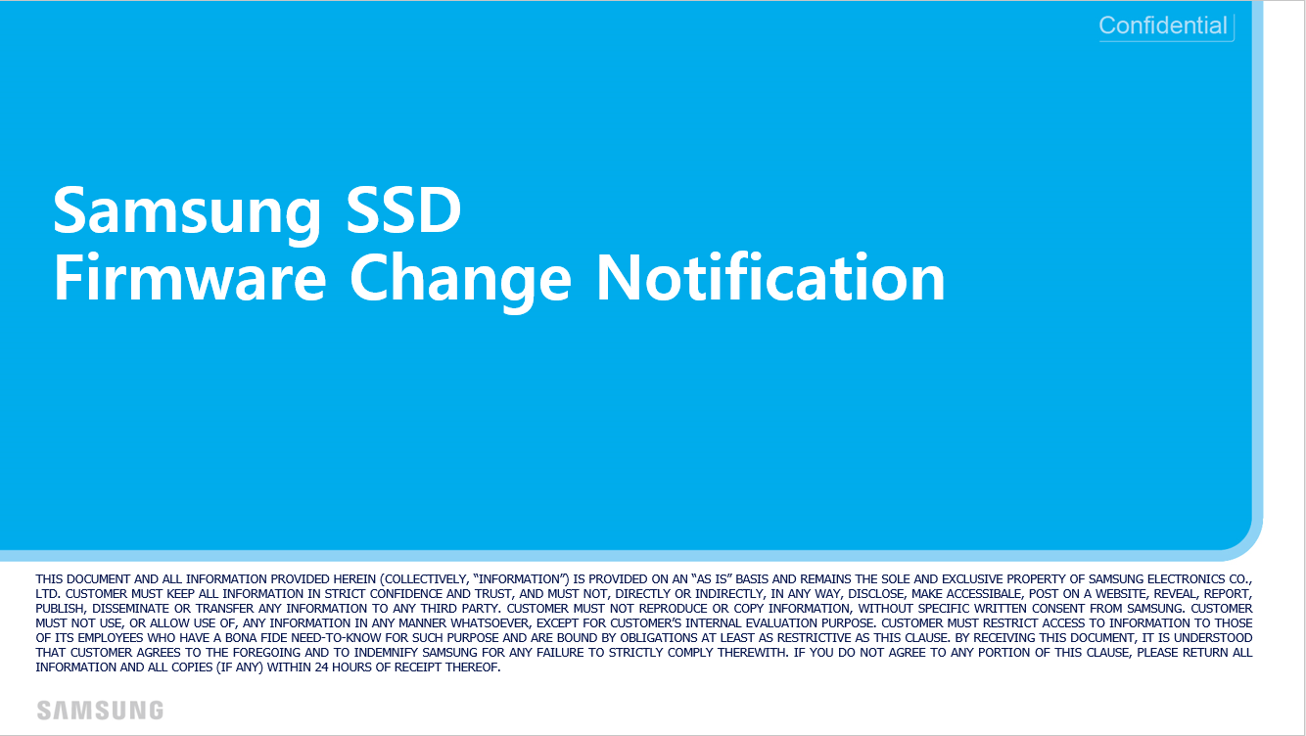

PM1733 EVT0 Generic

